Figure 1
Figure 1: Persons aged 90 and over by sex, Scotland, mid-2009 to mid-2019 | return to contents

 | Persons | Females | Males
2009 | 29.1 | 22.0 | 7.0
2010 | 32.4 | 24.4 | 8.1
2011 | 35.2 | 26.1 | 9.1
2012 | 36.9 | 27.1 | 9.8
2013 | 37.7 | 27.4 | 10.3
2014 | 39.6 | 28.6 | 11.0
2015 | 39.8 | 28.4 | 11.4
2016 | 41.1 | 29.1 | 12.0
2017 | 41.7 | 29.3 | 12.4
2018 | 41.9 | 29.3 | 12.6
2019 | 43.7 | 30.3 | 13.4

Persons

Females

Males

© Crown Copyright 2020

Figure 2
Figure 2: Centenarians by sex, Scotland, mid-2009 to mid-2019 | return to contents

 | Persons | Females | Males
2009 | 750 | 650 | 100
2010 | 730 | 640 | 90
2011 | 790 | 690 | 100
2012 | 780 | 670 | 110
2013 | 820 | 710 | 110
2014 | 900 | 780 | 120
2015 | 890 | 740 | 150
2016 | 880 | 730 | 150
2017 | 830 | 690 | 140
2018 | 780 | 660 | 120
2019 | 820 | 670 | 150
Persons

Females

Males

© Crown Copyright 2020

Figure 3
Figure 3: Centenarians per 10,000 population by sex, Scotland, mid-2009 to mid-2019 | return to contents

Females
 | Persons | Females | Males
2009 | 1.4 | 2.4 | 0.4
2010 | 1.4 | 2.4 | 0.4
2011 | 1.5 | 2.5 | 0.4
2012 | 1.5 | 2.4 | 0.4
2013 | 1.5 | 2.6 | 0.4
2014 | 1.7 | 2.8 | 0.5
2015 | 1.7 | 2.7 | 0.6
2016 | 1.6 | 2.6 | 0.6
2017 | 1.5 | 2.5 | 0.5
2018 | 1.4 | 2.4 | 0.5
2019 | 1.5 | 2.4 | 0.6

Persons

Males

© Crown Copyright 2020

Figure 4
Figure 4: Percentage population change by age group and sex, Scotland, mid-2009 to mid-2019 |  |  | return to contents

 | Males | Percentage Change
 | All ages | 5%
 | 100+ | 50%
 | 90-99 | 91%
 | 80-89 | 31%
 | 70-79 | 27%

 | Females | Percentage Change
 | All ages | 4%
 | 100+ | 3%
 | 90-99 | 38%
 | 80-89 | 9%
 | 70-79 | 16%

© Crown Copyright 2020

Figure 5
Figure 5: Males per 100 females, 90+ year olds and centenarians, Scotland, mid-2009 to mid-2019 | return to contents

 | 90-99 | 100+
2009 | 32 | 15
2010 | 33 | 14
2011 | 35 | 14
2012 | 36 | 16
2013 | 38 | 15
2014 | 38 | 15
2015 | 40 | 20
2016 | 41 | 21
2017 | 42 | 20
2018 | 43 | 18
2019 | 44 | 22

90+

100+

© Crown Copyright 2020

Figure 6
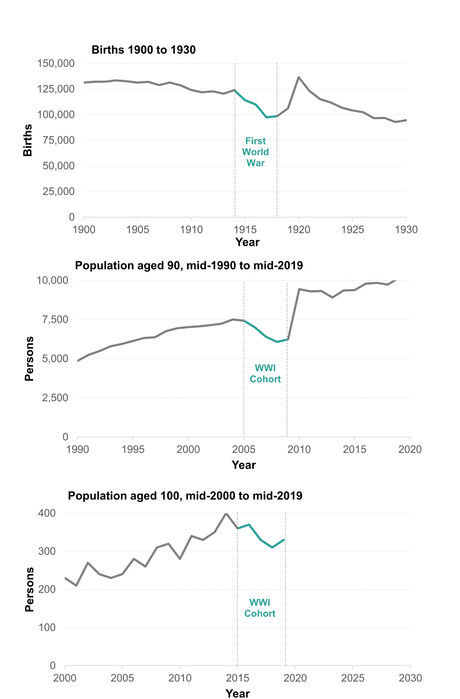
Figure 6: Number of births from 1900 to 1930 and corresponding population at 90 and 100 years of age to mid-2019, Scotland | return to contents

Figure 7
Figure 7: People aged 90 and over per 10,000 population, by constituent country, UK, mid-2009 to mid-2019 | return to contents

 | England | Wales | Northern Ireland | Scotland
2009 | 69 | 74 | 51 | 56
2010 | 73 | 80 | 55 | 62
2011 | 78 | 84 | 57 | 66
2012 | 82 | 89 | 61 | 69
2013 | 84 | 90 | 62 | 71
2014 | 87 | 93 | 65 | 74
2015 | 87 | 94 | 67 | 74
2016 | 88 | 95 | 68 | 76
2017 | 89 | 95 | 70 | 77
2018 | 89 | 95 | 70 | 77
2019 | 92 | 97 | 73 | 80

England

© Crown Copyright 2020

Figure 8
Figure 8: Centenarians per 10,000 population, by constituent country, UK, mid-2009 to mid-2019 | return to contents
 | England | Wales | Northern Ireland | Scotland
2009 | 1.8 | 1.9 | 1.1 | 1.4
2010 | 1.9 | 1.9 | 1.1 | 1.4
2011 | 1.9 | 2.0 | 1.2 | 1.5
2012 | 2.0 | 2.3 | 1.3 | 1.5
2013 | 2.1 | 2.2 | 1.4 | 1.5
2014 | 2.2 | 2.5 | 1.5 | 1.7
2015 | 2.2 | 2.4 | 1.6 | 1.7
2016 | 2.2 | 2.3 | 1.6 | 1.6
2017 | 2.1 | 2.1 | 1.7 | 1.5
2018 | 2.0 | 2.1 | 1.6 | 1.4
2019 | 2.0 | 2.3 | 1.7 | 1.5

Wales

England

© Crown Copyright 2020

Figure 9
Figure 9: Figure 9: Proportion of male and female centenarians, by constituent country, mid-2019 | return to contents

 | Males | Females
Scotland | 18% | 82%
Northern Ireland | 16% | 84%
England | 17% | 83%
Wales | 18% | 82%

© Crown Copyright 2020

