Chart 1
Chart 1: Persons aged 90 and over by sex, Scotland, mid-2010 to mid-2020 | back to contents

 | Persons | Females | Males
2010 | 32.4 | 24.4 | 8.1
2011 | 35.2 | 26.1 | 9.1
2012 | 36.9 | 27.1 | 9.8
2013 | 37.7 | 27.4 | 10.3
2014 | 39.6 | 28.6 | 11.0
2015 | 39.8 | 28.4 | 11.4
2016 | 41.1 | 29.1 | 12.0
2017 | 41.7 | 29.3 | 12.4
2018 | 41.9 | 29.3 | 12.6
2019 | 43.7 | 30.3 | 13.4
2020 | 43.8 | 30.1 | 13.7

Persons

Females

Males

© Crown Copyright 2021

Chart 2
Chart 2: Centenarians by sex, Scotland, mid-2010 to mid-2020 | back to contents

 | Persons | Females | Males
2010 | 730 | 640 | 90
2011 | 770 | 680 | 90
2012 | 780 | 670 | 110
2013 | 800 | 690 | 110
2014 | 900 | 780 | 120
2015 | 890 | 740 | 150
2016 | 890 | 740 | 150
2017 | 850 | 700 | 150
2018 | 820 | 670 | 150
2019 | 850 | 690 | 160
2020 | 960 | 770 | 190
Persons

Females

Males

© Crown Copyright 2021

Chart 3
Chart 3: Centenarians per 10,000 population by sex, Scotland, mid-2010 to mid-2020 | back to contents

Females
 | Persons | Females | Males
2010 | 1.4 | 2.4 | 0.4
2011 | 1.5 | 2.5 | 0.4
2012 | 1.5 | 2.4 | 0.4
2013 | 1.5 | 2.5 | 0.4
2014 | 1.7 | 2.8 | 0.5
2015 | 1.7 | 2.7 | 0.6
2016 | 1.6 | 2.7 | 0.6
2017 | 1.6 | 2.5 | 0.6
2018 | 1.5 | 2.4 | 0.6
2019 | 1.6 | 2.5 | 0.6
2020 | 1.8 | 2.7 | 0.7

Persons

Males

© Crown Copyright 2021

Chart 4
Chart 4: Percentage population change by age group and sex, Scotland, mid-2010 to mid-2020 |  |  | back to contents

 | Males | Percentage Change
 | All ages | 5%
 | 100+ | 111%
 | 90-99 | 69%
 | 80-89 | 29%
 | 70-79 | 27%

 | Females | Percentage Change
 | All ages | 3%
 | 100+ | 20%
 | 90-99 | 24%
 | 80-89 | 10%
 | 70-79 | 17%

© Crown Copyright 2021

Chart 5
Chart 5: Males per 100 females, 90+ year olds and centenarians, Scotland, mid-2010 to mid-2020 | back to contents

 | 90-99 | 100+
2010 | 33 | 14
2011 | 35 | 13
2012 | 36 | 16
2013 | 38 | 16
2014 | 38 | 15
2015 | 40 | 20
2016 | 41 | 20
2017 | 42 | 21
2018 | 43 | 22
2019 | 44 | 23
2020 | 45 | 25

90+

100+

© Crown Copyright 2021

Chart 6
Chart 6: Number of births from 1900 to 1930 and corresponding population at 90 and 100 years of age to mid-2020, Scotland | back to contents

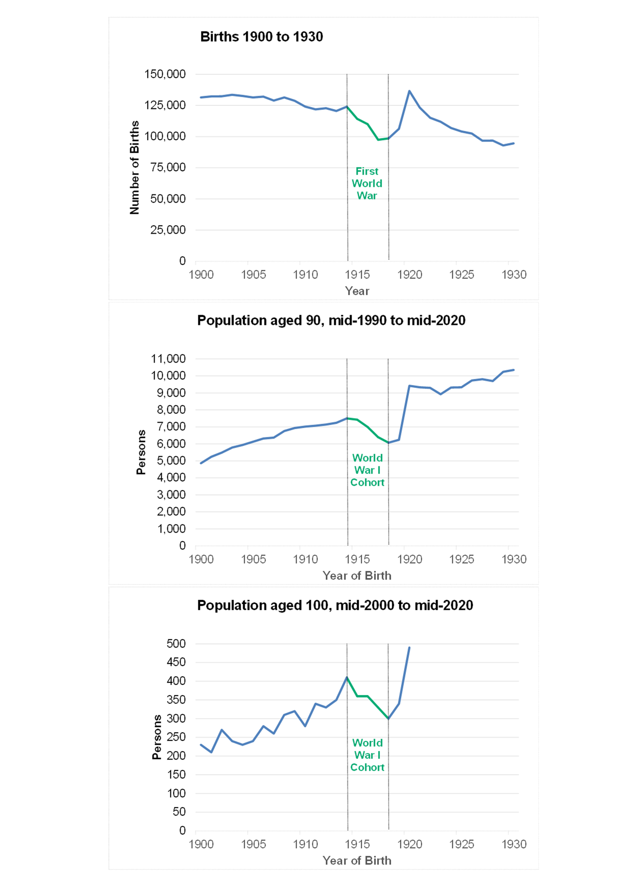

© Crown Copyright 2021

Chart 7
Chart 7: People aged 90 and over per 10,000 population, by constituent country, UK, mid-2010 to mid-2020 | back to contents

 | England | Wales | Northern Ireland | Scotland
2010 | 73 | 80 | 55 | 62
2011 | 78 | 84 | 57 | 66
2012 | 82 | 89 | 61 | 69
2013 | 84 | 90 | 62 | 71
2014 | 87 | 93 | 65 | 74
2015 | 87 | 94 | 67 | 74
2016 | 88 | 95 | 68 | 76
2017 | 89 | 95 | 70 | 77
2018 | 89 | 95 | 70 | 77
2019 | 92 | 97 | 73 | 80
2020 | 92 | 97 | 73 | 80

England

© Crown Copyright 2021

Chart 8
Chart 8: Centenarians per 10,000 population, by constituent country, UK, mid-2010 to mid-2020 | back to contents
 | England | Wales | Northern Ireland | Scotland
2010 | 1.86 | 1.93 | 1.11 | 1.39
2011 | 1.92 | 1.96 | 1.21 | 1.45
2012 | 2.02 | 2.28 | 1.26 | 1.47
2013 | 2.06 | 2.17 | 1.37 | 1.50
2014 | 2.18 | 2.46 | 1.41 | 1.68
2015 | 2.15 | 2.32 | 1.57 | 1.66
2016 | 2.15 | 2.28 | 1.56 | 1.65
2017 | 2.07 | 2.05 | 1.66 | 1.57
2018 | 1.89 | 2.04 | 1.54 | 1.51
2019 | 1.94 | 2.19 | 1.64 | 1.56
2020 | 2.30 | 2.49 | 1.85 | 1.76

Wales
England

© Crown Copyright 2021

Chart 9
Chart 9: Proportion of male and female centenarians, by constituent country, UK, mid-2020 | back to contents

 | Males | Females
Scotland | 20% | 80%
Northern Ireland | 17% | 83%
Wales | 19% | 81%
England | 18% | 82%

© Crown Copyright 2021

