Figure 1
Figure 1: Annual population change, 1960 to 2020 | back to contents

 | Population change
1960 | 0.29%
1961 | 0.12%
1962 | 0.26%
1963 | 0.15%
1964 | 0.07%
1965 | 0.03%
1966 | -0.18%
1967 | -0.04%
1968 | 0.04%
1969 | 0.16%
1970 | 0.10%
1971 | 0.42%
1972 | -0.10%
1973 | 0.06%
1974 | 0.13%
1975 | -0.16%
1976 | 0.02%
1977 | -0.14%
1978 | -0.27%
1979 | -0.17%
1980 | -0.19%
1981 | -0.26%
1982 | -0.30%
1983 | -0.32%
1984 | -0.18%
1985 | -0.21%
1986 | -0.31%
1987 | -0.25%
1988 | -0.42%
1989 | 0.01%
1990 | 0.06%
1991 | 0.04%
1992 | 0.05%
1993 | 0.13%
1994 | 0.19%
1995 | 0.03%
1996 | -0.23%
1997 | -0.17%
1998 | -0.12%
1999 | -0.10%
2000 | -0.18%
2001 | 0.02%
2002 | 0.04%
2003 | 0.05%
2004 | 0.31%
2005 | 0.51%
2006 | 0.45%
2007 | 0.72%
2008 | 0.64%
2009 | 0.56%
...

Figure 2
Figure 2: Natural change and net migration, 1960 to 2020 | back to contents
 | Natural change (births - deaths) (in thousands) | Net migration
1960 | 39.7 | -28.5
1961 | 37.6 | -34.6
1962 | 39.1 | -29.0
1963 | 38.2 | -33.9
1964 | 42.3 | -39.1
1965 | 40.6 | -39.1
1966 | 33.2 | -43.2
1967 | 38.1 | -43.1
1968 | 31.9 | -32.0
1969 | 30.3 | -23.9
1970 | 23.3 | -20.1
1971 | 26.1 | -21.7
1972 | 18.8 | -28.6
1973 | 12.4 | -11.7
1974 | 6.8 | -3.0
1975 | 4.6 | -20.0
1976 | 2.7 | -5.8
1977 | -1.1 | -10.8
1978 | -1 | -17.3
1979 | 1.8 | -14.6
1980 | 4.3 | -16.3
1981 | 6.6 | -23.1
1982 | 1.5 | -16.9
1983 | 1.8 | -19.7
1984 | 1.4 | -12.0
1985 | 3.7 | -15.0
1986 | 1.6 | -17.6
1987 | 4.7 | -18.0
1988 | 4.9 | -27.2
1989 | 3.1 | -2.9
1990 | -1.4 | 5.0
1991 | 5.8 | -1.9
1992 | 5.9 | -1.9
1993 | 2.4 | 4.7
1994 | 0.5 | 9.4
1995 | 0.9 | 2.4
1996 | -2.3 | -7.2
1997 | 0.1 | -7.5
1998 | -0.5 | -5.7
1999 | -3.7 | -2.2
2000 | -5.7 | -3.6
2001 | -3.9 | 5.2
2002 | -6.1 | 6.3
2003 | -6.5 | 5.6
2004 | -4 | 18.6
2005 | -2.3 | 25.3
2006 | -0.3 | 18.8
2007 | 1.1 | 33.0
2008 | 3.9 | 26.4
2009 | 4.6 | 24.4
...

Figure 3
Figure 3: Mid-year births and deaths, 1960 to 2020 | back to contents

 | Births | Deaths
1960 | 99.3 | 59.6
1961 | 101.4 | 63.7
1962 | 103.1 | 64.0
1963 | 103.2 | 65.0
1964 | 103.3 | 61.1
1965 | 102.9 | 62.4
1966 | 97.5 | 64.3
1967 | 98.0 | 60.0
1968 | 94.9 | 63.0
1969 | 92.9 | 62.6
1970 | 87.9 | 64.6
1971 | 87.4 | 61.4
1972 | 82.9 | 64.2
1973 | 76.3 | 64.0
1974 | 71.0 | 64.2
1975 | 69.3 | 64.7
1976 | 67.6 | 64.9
1977 | 62.1 | 63.3
1978 | 63.1 | 64.2
1979 | 66.8 | 65.0
1980 | 68.4 | 64.2
1981 | 69.4 | 62.8
1982 | 67.2 | 65.8
1983 | 65.8 | 63.9
1984 | 64.3 | 62.9
1985 | 66.1 | 62.4
1986 | 66.8 | 65.2
1987 | 66.0 | 61.2
1988 | 66.9 | 62.0
1989 | 64.6 | 61.5
1990 | 64.1 | 65.5
1991 | 66.5 | 60.7
1992 | 67.0 | 61.1
1993 | 64.3 | 61.9
1994 | 63.1 | 62.6
1995 | 60.6 | 59.6
1996 | 58.9 | 61.2
1997 | 60.2 | 60.1
1998 | 58.0 | 58.5
1999 | 56.6 | 60.3
2000 | 54.1 | 59.7
2001 | 52.7 | 56.6
2002 | 51.2 | 57.3
2003 | 51.8 | 58.3
2004 | 53.6 | 57.6
2005 | 54.3 | 56.5
2006 | 55.0 | 55.3
2007 | 56.7 | 55.6
2008 | 59.2 | 55.3
2009 | 59.3 | 54.7
...

Figure 4
Figure 4: Movements to/from the rest of the UK and overseas, 2000 to 2020 | back to contents

 | Out to the rest of the UK | In from the rest of the UK | In from overseas | Out to overseas
2000 | 55,400 | 48,700 | 27,000 | 15,000
2001 | 51,500 | 54,900 | 30,000 | 22,000
2002 | 49,700 | 54,400 | 27,800 | 26,200
2003 | 47,300 | 54,300 | 25,500 | 26,900
2004 | 46,400 | 61,900 | 28,500 | 25,400
2005 | 44,800 | 57,300 | 41,800 | 29,000
2006 | 44,400 | 53,300 | 41,300 | 31,400
2007 | 42,700 | 51,500 | 45,100 | 20,900
2008 | 41,800 | 53,300 | 45,200 | 30,300
2009 | 41,300 | 45,400 | 45,100 | 24,800
2010 | 41,700 | 45,000 | 47,400 | 24,600
2011 | 40,800 | 43,700 | 44,200 | 16,900
2012 | 42,100 | 45,100 | 35,900 | 26,200
2013 | 39,800 | 47,700 | 28,200 | 26,100
2014 | 39,700 | 49,200 | 33,200 | 25,200
2015 | 38,800 | 47,200 | 37,800 | 18,200
2016 | 37,500 | 46,300 | 40,400 | 17,500
2017 | 37,100 | 47,600 | 32,900 | 19,500
2018 | 37,700 | 47,700 | 32,900 | 22,000
2019 | 37,400 | 47,500 | 39,900 | 19,700
2020 | 32,800 | 41,800 | 39,200 | 31,300
Out to the rest of the UK
In from the rest of the UK
Out to overseas
In from
overseas

Figure 5
Figure 5: Age groups as proportion of Scotland's population, mid-2000 to mid-2020 | back to contents
 | 0 to 15 years | 16 to 64 years | 65 years and over
2000 | 19% | 65% | 16%
2010 | 17% | 66% | 17%
2020 | 17% | 64% | 19%

Figure 6
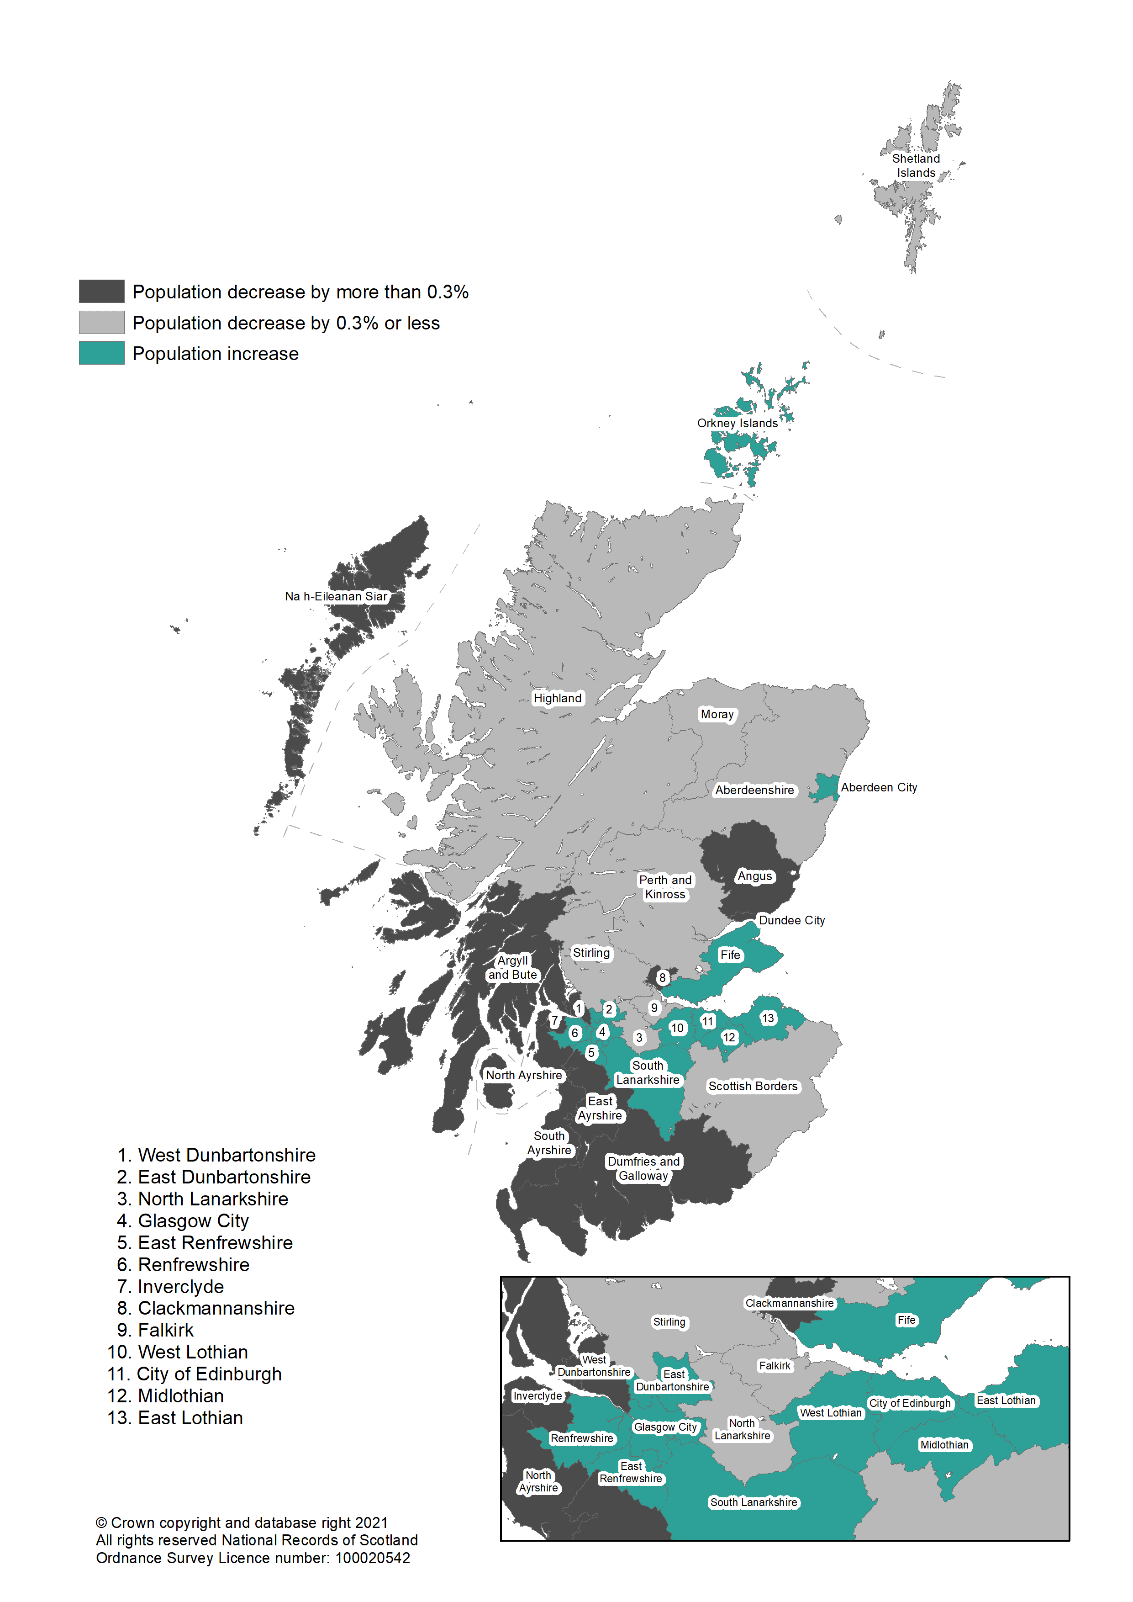
Figure 6: Population change by council area, mid-2019 to mid-2020 | back to contents

Figure 7
Figure 7: Components of population change by council area, mid-2019 to mid-2020 | back to contents

 | Natural change (births minus deaths) |  | Net migration |  | Other changes |  | Total change
 |  |  |  |  |  | -1.0% | 1
Inverclyde | -0.8% | Inverclyde | -0.1% |  | 0.0% | -0.8% | 2
Na h-Eileanan Siar | -0.6% | Na h-Eileanan Siar | -0.1% |  | 0.0% | -0.7% | 3
West Dunbartonshire | -0.5% | West Dunbartonshire | -0.2% |  | 0.0% | -0.5% | 4
Argyll and Bute | -0.7% | Argyll and Bute | -0.1% |  | 0.3% | -0.5% | 5
Clackmannanshire | -0.4% | Clackmannanshire | 0.2% |  | -0.2% | -0.4% | 6
South Ayrshire | -0.8% | South Ayrshire | 0.3% |  | 0.0% | -0.4% | 7
Dumfries and Galloway | -0.6% | Dumfries and Galloway | 0.2% |  | 0.0% | -0.4% | 8
North Ayrshire | -0.5% | North Ayrshire | 0.1% |  | 0.0% | -0.3% | 9
East Ayrshire | -0.3% | East Ayrshire | 0.0% |  | 0.0% | -0.3% | 10
Dundee City | -0.3% | Dundee City | -0.1% |  | 0.0% | -0.3% | 11
Angus | -0.5% | Angus | 0.2% |  | -0.1% | -0.2% | 12
Scottish Borders | -0.5% | Scottish Borders | 0.2% |  | 0.0% | -0.2% | 13
Shetland Islands | -0.1% | Shetland Islands | -0.1% |  | 0.0% | -0.2% | 14
Falkirk | -0.3% | Falkirk | 0.1% |  | 0.0% | -0.2% | 15
Highland | -0.3% | Highland | 0.2% |  | 0.0% | -0.2% | 16
Aberdeenshire | -0.1% | Aberdeenshire | 0.0% |  | 0.0% | -0.1% | 17
Stirling | -0.3% | Stirling | 0.1% |  | 0.0% | -0.1% | 18
Moray | -0.2% | Moray | 0.0% |  | 0.1% | -0.1% | 19
North Lanarkshire | -0.2% | North Lanarkshire | 0.1% |  | 0.0% | 0.0% | 20
Perth and Kinross | -0.4% | Perth and Kinross | 0.5% |  | -0.1% | 0.1% | 21
South Lanarkshire | -0.3% | South Lanarkshire | 0.4% |  | 0.0% | 0.1% | 22
East Dunbartonshire | -0.3% | East Dunbartonshire | 0.6% |  | -0.1% | 0.2% | 23
Fife | -0.3% | Fife | 0.4% |  | 0.0% | 0.2% | 24
Renfrewshire | -0.3% | Renfrewshire | 0.5% |  | 0.0% | 0.2% | 25
Aberdeen City | -0.1% | Aberdeen City | 0.2% |  | 0.0% | 0.4% | 26
West Lothian | -0.1% | West Lothian | 0.5% |  | 0.0% | 0.4% | 27
Glasgow City | -0.1% | Glasgow City | 0.5% |  | 0.0% | 0.5% | 28
City of Edinburgh | -0.1% | City of Edinburgh | 0.6% |  | 0.0% | 0.6% | 29
East Renfrewshire | -0.2% | East Renfrewshire | 0.8% |  | 0.0% | 0.6% | 30
Orkney Islands | -0.2% | Orkney Islands | 0.8% |  | 0.0% | 0.7% | 31
Midlothian | 0.0% | Midlothian | 0.7% |  | 0.0% | 0.8% | 32
East Lothian | -0.2% | East Lothian | 0.9% |  | 0.0%

Figure 8
Figure 8: Components of population change due to net migration by council area, mid-2019 to mid-2020 | back to contents

 | Within Scotland | Overseas | Rest of UK
City of Edinburgh | -0.6% | 0.8% | 0.3%
Glasgow City | -0.4% | 0.8% | 0.2%
Dundee City | -0.4% | 0.3% | 0.1%
Aberdeen City | -0.4% | 0.6% | 0.0%
Argyll and Bute | -0.3% | -0.3% | 0.5%
Shetland Islands | -0.3% | -0.2% | 0.3%
Moray | -0.2% | -0.1% | 0.3%
Stirling | -0.2% | 0.1% | 0.3%
Na h-Eileanan Siar | -0.1% | -0.2% | 0.2%
West Dunbartonshire | -0.1% | 0.0% | -0.1%
Inverclyde | -0.1% | -0.1% | 0.1%
Highland | -0.1% | -0.1% | 0.4%
Dumfries and Galloway | 0.0% | -0.2% | 0.5%
Aberdeenshire | 0.0% | 0.0% | 0.0%
Clackmannanshire | 0.0% | 0.0% | 0.2%
East Ayrshire | 0.1% | -0.2% | 0.1%
North Ayrshire | 0.1% | -0.1% | 0.2%
Orkney Islands | 0.1% | -0.2% | 0.9%
Falkirk | 0.1% | -0.1% | 0.1%
North Lanarkshire | 0.1% | -0.1% | 0.1%
Angus | 0.2% | -0.1% | 0.1%
Scottish Borders | 0.2% | -0.2% | 0.3%
Fife | 0.2% | 0.1% | 0.1%
South Ayrshire | 0.2% | -0.2% | 0.2%
Perth and Kinross | 0.3% | 0.0% | 0.2%
West Lothian | 0.3% | 0.0% | 0.1%
South Lanarkshire | 0.4% | -0.1% | 0.1%
Renfrewshire | 0.4% | 0.0% | 0.1%
East Dunbartonshire | 0.5% | 0.0% | 0.0%
Midlothian | 0.7% | -0.1% | 0.1%
East Lothian | 0.7% | 0.0% | 0.2%
East Renfrewshire | 0.8% | -0.1% | 0.0%
 | 0.0%

Figure 9
Figure 9: Age structure of council areas, mid-2020 (ordered by percentage aged 65+) | back to contents

 | 0-15 years | 16-64 years | 65 years and over
Glasgow City | 16% | 71% | 13%
City of Edinburgh | 15% | 70% | 15%
Aberdeen City | 16% | 68% | 16%
West Lothian | 19% | 64% | 17%
Dundee City | 16% | 66% | 17%
North Lanarkshire | 18% | 64% | 18%
Midlothian | 19% | 62% | 19%
Renfrewshire | 17% | 64% | 19%
Falkirk | 17% | 64% | 19%
West Dunbartonshire | 18% | 63% | 19%
SCOTLAND | 17% | 64% | 19%
Stirling | 16% | 64% | 20%
South Lanarkshire | 17% | 63% | 20%
Aberdeenshire | 19% | 61% | 20%
East Renfrewshire | 20% | 59% | 20%
East Lothian | 18% | 61% | 21%
Clackmannanshire | 17% | 62% | 21%
East Ayrshire | 17% | 62% | 21%
Fife | 17% | 62% | 21%
Shetland Islands | 18% | 61% | 21%
Inverclyde | 16% | 62% | 21%
Moray | 17% | 61% | 22%
East Dunbartonshire | 18% | 59% | 23%
Highland | 16% | 61% | 23%
North Ayrshire | 17% | 60% | 23%
Perth and Kinross | 16% | 60% | 24%
Angus | 16% | 59% | 24%
Orkney Islands | 16% | 60% | 24%
Scottish Borders | 16% | 58% | 25%
South Ayrshire | 16% | 59% | 26%
Argyll and Bute | 15% | 59% | 26%
Na h-Eileanan Siar | 16% | 58% | 26%
Dumfries and Galloway | 16% | 58% | 26%

Figure 10
Figure 10: Percentage change in age group by council area, mid-2010 to mid-2020 | back to contents

 | Percentage change in age 0 to 15 years
Argyll and Bute | -13%
Na h-Eileanan Siar | -12%
Inverclyde | -10%
North Ayrshire | -10%
Dumfries and Galloway | -9%
Shetland Islands | -7%
Angus | -7%
Highland | -7%
Stirling | -6%
Clackmannanshire | -6%
South Ayrshire | -6%
Moray | -5%
West Dunbartonshire | -4%
Scottish Borders | -4%
North Lanarkshire | -4%
East Ayrshire | -4%
Perth and Kinross | -3%
Falkirk | -2%
Orkney Islands | -2%
Renfrewshire | -1%
South Lanarkshire | -1%
Fife | -1%
SCOTLAND | 0%
West Lothian | 0%
Dundee City | 0%
Aberdeenshire | 3%
East Dunbartonshire | 4%
Glasgow City | 4%
East Lothian | 6%
East Renfrewshire | 10%
Aberdeen City | 11%
City of Edinburgh | 11%
Midlothian | 16%
 | Percentage change in age 16 to 64 years
Na h-Eileanan Siar | -10%
Inverclyde | -9%
Argyll and Bute | -8%
Dumfries and Galloway | -7%
North Ayrshire | -7%
West Dunbartonshire | -6%
Shetland Islands | -6%
South Ayrshire | -6%
Clackmannanshire | -6%
East Ayrshire | -5%
Angus | -5%
Scottish Borders | -5%
Highland | -3%
Aberdeenshire | -3%
East Dunbartonshire | -2%
Moray | -2%
South Lanarkshire | -2%
Fife | -1%
North Lanarkshire | -1%
Orkney Islands | 0%
Perth and Kinross | 0%
Falkirk | 0%
Aberdeen City | 1%
SCOTLAND | 1%
Renfrewshire | 1%
East Renfrewshire | 1%
Dundee City | 2%
West Lothian | 2%
Stirling | 4%
East Lothian | 5%
Midlothian | 8%
Glasgow City | 10%
City of Edinburgh | 12%
 | Percentage change in age 65 and over
Glasgow City | 4%
Dundee City | 5%
Inverclyde | 12%
West Dunbartonshire | 14%
Aberdeen City | 14%
Argyll and Bute | 17%
City of Edinburgh | 17%
Renfrewshire | 17%
Na h-Eileanan Siar | 19%
East Ayrshire | 19%
Dumfries and Galloway | 19%
SCOTLAND | 20%
North Lanarkshire | 20%
East Renfrewshire | 20%
South Ayrshire | 21%
Stirling | 21%
North Ayrshire | 21%
South Lanarkshire | 21%
Falkirk | 22%
East Dunbartonshire | 23%
Fife | 23%
Angus | 23%
Scottish Borders | 24%
Moray | 24%
Perth and Kinross | 25%
East Lothian | 27%
Highland | 27%
Midlothian | 28%
Shetland Islands | 29%
Aberdeenshire | 30%
Clackmannanshire | 31%
Orkney Islands | 31%
West Lothian | 32%
Age 0 to 15 years
Age 16 to 64 years
Age 65 years and over
SCOTLAND
SCOTLAND
SCOTLAND

Figure 11
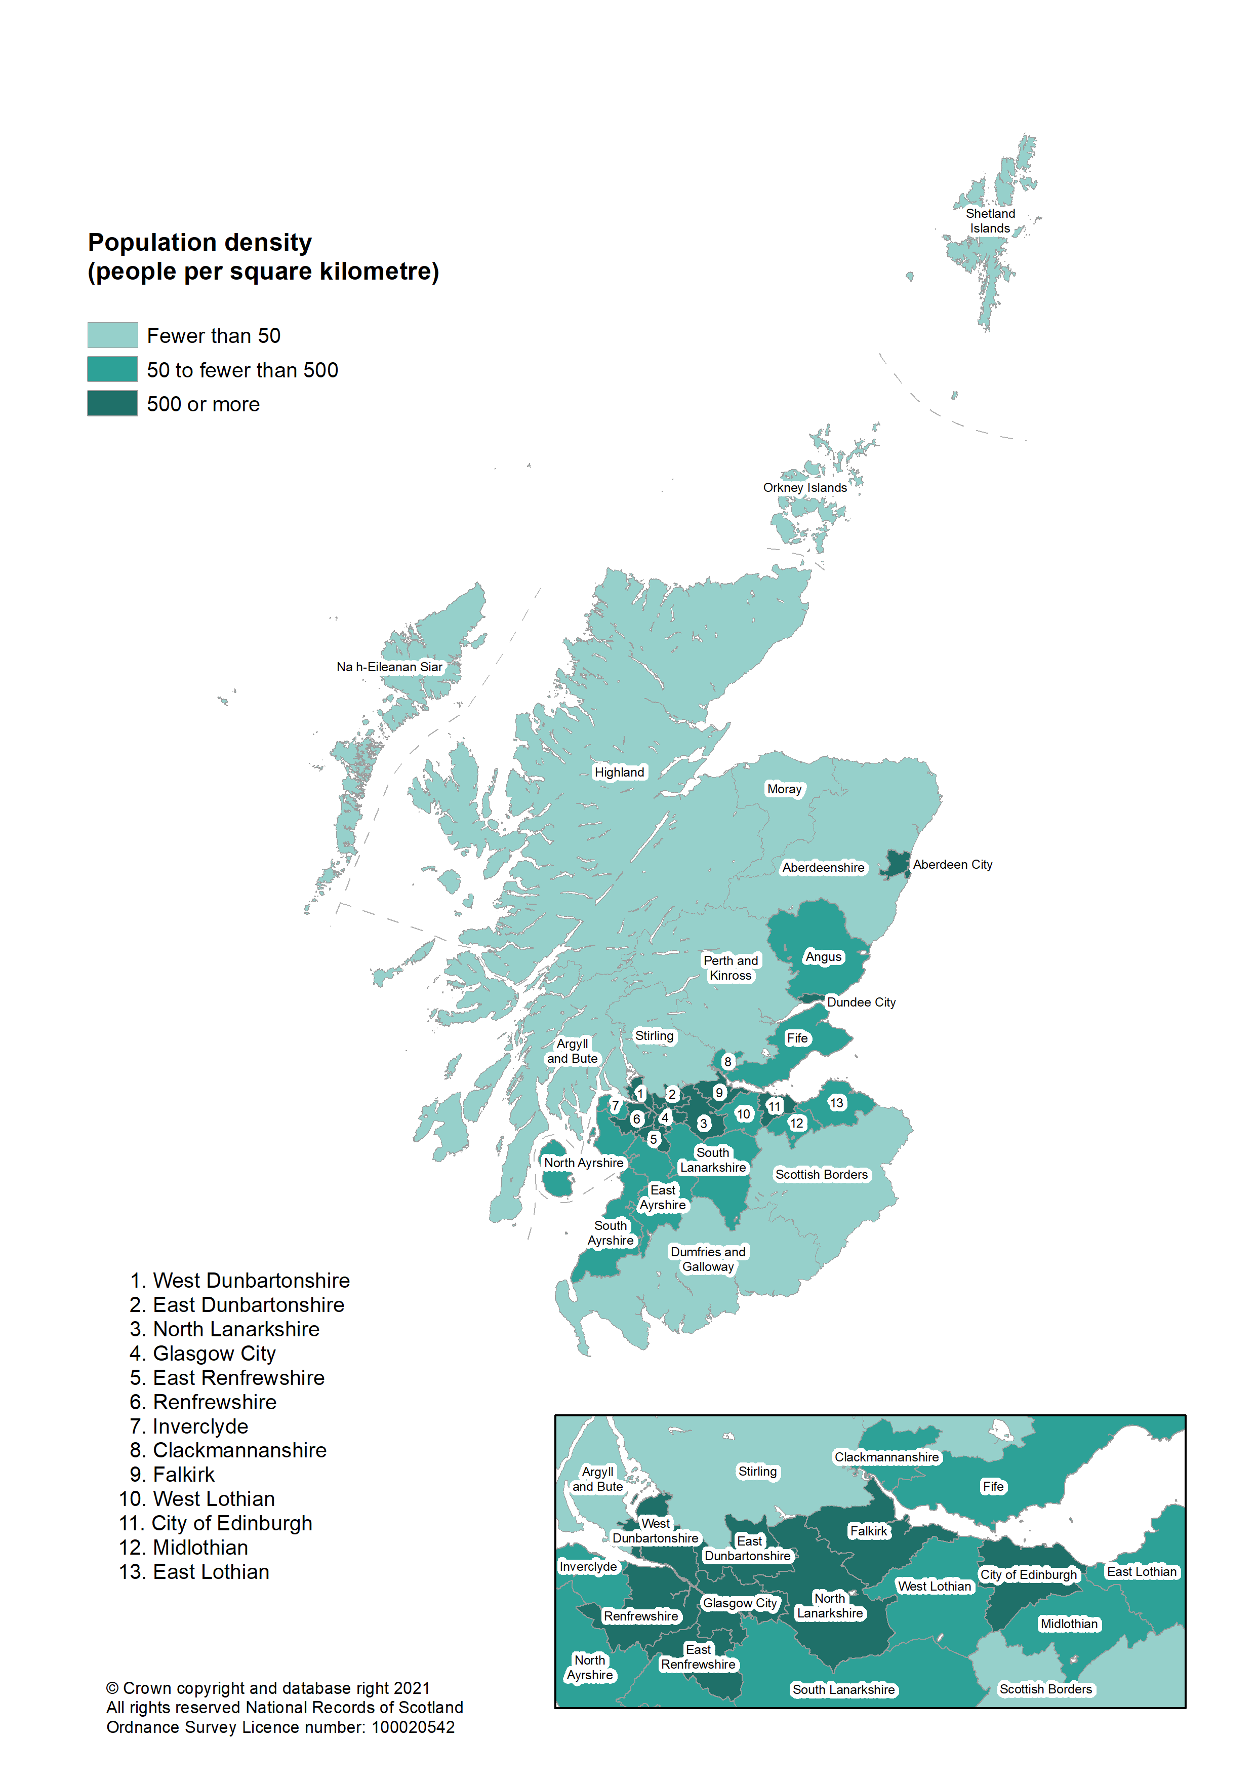
Figure 11: Population density by council area, mid-2020 | back to contents

Figure 12
Figure 12: Annual population change across the UK, 2010 to 2020 | back to contents

 | UK | England | Wales | Northern Ireland | Scotland
2010 | 0.80% | 0.85% | 0.37% | 0.64% | 0.58%
2011 | 0.84% | 0.88% | 0.45% | 0.53% | 0.72%
2012 | 0.66% | 0.73% | 0.34% | 0.51% | 0.26%
2013 | 0.63% | 0.70% | 0.27% | 0.33% | 0.27%
2014 | 0.77% | 0.84% | 0.31% | 0.59% | 0.37%
2015 | 0.79% | 0.86% | 0.23% | 0.60% | 0.47%
2016 | 0.83% | 0.88% | 0.45% | 0.57% | 0.59%
2017 | 0.60% | 0.64% | 0.39% | 0.47% | 0.37%
2018 | 0.60% | 0.64% | 0.43% | 0.58% | 0.25%
2019 | 0.54% | 0.55% | 0.46% | 0.64% | 0.46%
2020 | 0.43% | 0.47% | 0.53% | 0.10% | 0.05%

