Figure_1
Figure 1: Distribution of data zone populations, mid-2021
Table of contents

 | Distribution of data zone populations
Under 300 | 8
300 to 399 | 34
400 to 499 | 345
500 to 599 | 990
600 to 699 | 1,412
700 to 799 | 1,445
800 to 899 | 1,171
900 to 999 | 684
1,000 to 1,099 | 429
1,100 to 1,199 | 174
1,200 to 1,299 | 80
1,300 to 1,399 | 46
1,400 to 1,499 | 31
1,500 or over | 127

Figure_2
 | Population increase | No change | Population decrease
West Dunbartonshire | 30% | 2% | 69%
Renfrewshire | 34% | 2% | 64%
Inverclyde | 36% | 2% | 62%
Aberdeen City | 36% | 2% | 62%
East Dunbartonshire | 40% | 2% | 58%
Stirling | 40% | 2% | 57%
East Lothian | 41% | 4% | 55%
Angus | 41% | 1% | 57%
East Renfrewshire | 42% | 3% | 55%
Falkirk | 42% | 5% | 53%
North Lanarkshire | 43% | 2% | 55%
North Ayrshire | 43% | 2% | 55%
South Lanarkshire | 44% | 3% | 54%
Midlothian | 44% | 2% | 54%
Clackmannanshire | 44% | 3% | 53%
City of Edinburgh | 45% | 1% | 54%
Dundee City | 45% | 3% | 52%
Glasgow City | 46% | 2% | 52%
SCOTLAND | 46% | 2% | 52%
Fife | 47% | 2% | 51%
West Lothian | 47% | 3% | 50%
Moray | 48% | 2% | 50%
Dumfries and Galloway | 51% | 1% | 48%
East Ayrshire | 52% | 2% | 46%
South Ayrshire | 52% | 3% | 45%
Perth and Kinross | 53% | 3% | 44%
Aberdeenshire | 54% | 4% | 43%
Scottish Borders | 56% | 2% | 42%
Argyll and Bute | 57% | 2% | 42%
Highland | 58% | 3% | 40%
Shetland Islands | 60% | 0% | 40%
Na h-Eileanan Siar | 61% | 0% | 39%
Orkney Islands | 66% | 0% | 34%
Figure 2: Percentage of data zones by population change and council area, mid-2020 to mid-2021
Table of contents

Figure_3
Figure 3: Percentage of data zones by population change and council area, mid-2019 to mid-2020 and mid-2020 to mid-2021
Table of contents

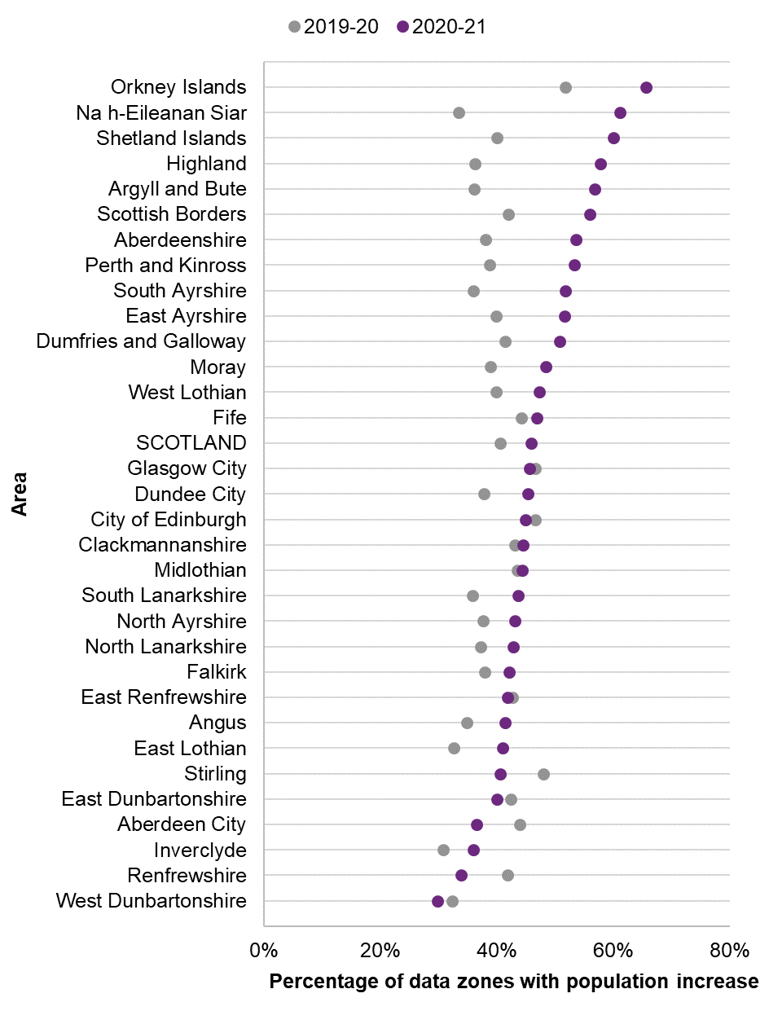
 |  |  | 2019-20 |  | 2020-21
 |  | 32% | 1 | 30% | 1
West Dunbartonshire | 0 | 42% | 2 | 34% | 2
Renfrewshire | 0 | 31% | 3 | 36% | 3
Inverclyde | 0 | 44% | 4 | 36% | 4
Aberdeen City | 0 | 42% | 5 | 40% | 5
East Dunbartonshire | 0 | 48% | 6 | 40% | 6
Stirling | 0 | 33% | 7 | 41% | 7
East Lothian | 0 | 35% | 8 | 41% | 8
Angus | 0 | 43% | 9 | 42% | 9
East Renfrewshire | 0 | 38% | 10 | 42% | 10
Falkirk | 0 | 37% | 11 | 43% | 11
North Lanarkshire | 0 | 38% | 12 | 43% | 12
North Ayrshire | 0 | 36% | 13 | 44% | 13
South Lanarkshire | 0 | 43% | 14 | 44% | 14
Midlothian | 0 | 43% | 15 | 44% | 15
Clackmannanshire | 0 | 47% | 16 | 45% | 16
City of Edinburgh | 0 | 38% | 17 | 45% | 17
Dundee City | 0 | 47% | 18 | 46% | 18
Glasgow City | 0 | 40% | 19 | 46% | 19
SCOTLAND | 0 | 44% | 20 | 47% | 20
Fife | 0 | 40% | 21 | 47% | 21
West Lothian | 0 | 39% | 22 | 48% | 22
Moray | 0 | 41% | 23 | 51% | 23
Dumfries and Galloway | 0 | 40% | 24 | 52% | 24
East Ayrshire | 0 | 36% | 25 | 52% | 25
South Ayrshire | 0 | 39% | 26 | 53% | 26
Perth and Kinross | 0 | 38% | 27 | 54% | 27
Aberdeenshire | 0 | 42% | 28 | 56% | 28
Scottish Borders | 0 | 36% | 29 | 57% | 29
Argyll and Bute | 0 | 36% | 30 | 58% | 30
Highland | 0 | 40% | 31 | 60% | 31
Shetland Islands | 0 | 33% | 32 | 61% | 32
Na h-Eileanan Siar | 0 | 52% | 33 | 66% | 33
Orkney Islands | 0

Figure_4
Figure 4: Percentage of data zones by change in median age and council area, mid-2011 to mid-2021
Median age is the age at which half the population are older and half are younger.
Table of contents

 | Increase in median age | No change | Decrease in median age
Dundee City | 55% | 0% | 45%
Glasgow City | 57% | 0% | 43%
Midlothian | 63% | 0% | 37%
Aberdeen City | 65% | 0% | 35%
Stirling | 66% | 1% | 33%
City of Edinburgh | 66% | 0% | 34%
East Renfrewshire | 66% | 0% | 34%
West Dunbartonshire | 70% | 1% | 29%
East Dunbartonshire | 73% | 1% | 26%
Renfrewshire | 73% | 0% | 27%
North Lanarkshire | 75% | 0% | 25%
Fife | 76% | 0% | 24%
Inverclyde | 77% | 0% | 23%
South Lanarkshire | 79% | 0% | 21%
West Lothian | 79% | 0% | 21%
East Lothian | 80% | 0% | 20%
South Ayrshire | 82% | 0% | 18%
East Ayrshire | 82% | 0% | 18%
Perth and Kinross | 82% | 0% | 18%
Falkirk | 83% | 0% | 17%
North Ayrshire | 83% | 0% | 17%
Argyll and Bute | 86% | 0% | 14%
Aberdeenshire | 86% | 0% | 14%
Clackmannanshire | 86% | 0% | 14%
Highland | 87% | 0% | 13%
Moray | 89% | 0% | 11%
Shetland Islands | 90% | 0% | 10%
Dumfries and Galloway | 91% | 0% | 9%
Scottish Borders | 91% | 0% | 9%
Angus | 91% | 0% | 9%
Orkney Islands | 93% | 0% | 7%
Na h-Eileanan Siar | 97% | 0% | 3%

Figure_5
Figure 5: Average change in median age across data zones between mid-2011 and mid-2021, by council area
Median age is the age at which half the population are older and half are younger.
Table of contents

 | Average change in median age (years)
Na h-Eileanan Siar | 4.0
Dumfries and Galloway | 3.5
Moray | 3.4
Shetland Islands | 3.3
Scottish Borders | 3.3
South Ayrshire | 3.3
Angus | 3.2
Argyll and Bute | 3.2
Clackmannanshire | 3.2
Highland | 3.1
Orkney Islands | 3.1
Aberdeenshire | 3.0
Falkirk | 3.0
North Ayrshire | 3.0
East Lothian | 2.9
Perth and Kinross | 2.8
Inverclyde | 2.8
East Ayrshire | 2.7
West Lothian | 2.6
South Lanarkshire | 2.5
North Lanarkshire | 2.4
Fife | 2.4
Renfrewshire | 2.2
West Dunbartonshire | 2.1
SCOTLAND | 2.1
East Dunbartonshire | 1.8
Stirling | 1.5
Midlothian | 1.1
East Renfrewshire | 1.1
City of Edinburgh | 1.0
Aberdeen City | 0.9
Glasgow City | 0.2
Dundee City | -0.1

Figure_6
Figure 6: Scotland's population by 6-fold Urban Rural Classification, mid-2021
Data based on Scottish Government Urban Rural Classification 2020
Table of contents

Remote small towns | 3%
Remote rural areas | 5%
Accessible small towns | 9%
Accessible rural areas | 12%
Other urban areas | 34%
Large urban areas | 38%

Figure_7
Figure 7: Median age by 6-fold Urban Rural Classification, mid-2021
Data based on Scottish Government Urban Rural Classification 2020
Median age is the age at which half the population are older and half are younger.
Table of contents

 | Persons
Large urban areas | 38
Other urban areas | 43
Accessible small towns | 46
Accessible rural areas | 47
Remote small towns | 48
Remote rural areas | 51

Figure_8
Figure 8: Population change since 2011 by 6-fold Urban Rural Classification, mid-2011 to mid-2022
Data based on Scottish Government 6-fold Urban Rural Classification 2020
Table of contents

 | Large Urban Areas | Other Urban Areas | Accessible Small Towns | Remote Small Towns | Accessible Rural Areas | Remote Rural Areas
2011 | 0% | 0% | 0% | 0% | 0% | 0%
2012 | 1% | 0% | 0% | 0% | 1% | 0%
2013 | 1% | 0% | 0% | -1% | 1% | 0%
2014 | 2% | 0% | 0% | -1% | 2% | 0%
2015 | 2% | 1% | 0% | -2% | 3% | 0%
2016 | 3% | 1% | 1% | -2% | 4% | 0%
2017 | 4% | 1% | 1% | -2% | 5% | 0%
2018 | 4% | 1% | 1% | -3% | 6% | 0%
2019 | 5% | 1% | 1% | -3% | 7% | -1%
2020 | 5% | 1% | 1% | -4% | 8% | -1%
2021 | 5% | 1% | 1% | -4% | 11% | 1%

Figure_9
Figure 9: Annual percentage change in population by 6-fold Urban Rural Classification, mid-2012 to mid-2021
Data based on Scottish Government 6-fold Urban Rural Classification 2020
Table of contents

 | Large Urban Areas | Other Urban Areas | Accessible Small Towns | Remote Small Towns | Accessible Rural Areas | Remote Rural Areas
2012 | 0.5% | 0.1% | -0.2% | -0.4% | 0.5% | -0.1%
2013 | 0.4% | 0.1% | 0.3% | -0.4% | 0.6% | -0.2%
2014 | 0.6% | 0.2% | 0.0% | -0.6% | 0.9% | 0.1%
2015 | 0.8% | 0.3% | 0.0% | -0.2% | 1.0% | -0.2%
2016 | 0.9% | 0.2% | 0.5% | -0.1% | 1.1% | -0.1%
2017 | 0.6% | 0.1% | 0.1% | -0.5% | 0.9% | 0.1%
2018 | 0.5% | -0.1% | 0.0% | -0.5% | 0.8% | -0.1%
2019 | 0.8% | 0.1% | 0.1% | -0.3% | 1.3% | -0.1%
2020 | 0.2% | -0.3% | -0.1% | -0.7% | 1.0% | -0.4%
2021 | -0.3% | 0.0% | 0.6% | -0.2% | 2.0% | 1.6%

Figure_10
Figure 10: Net migration by 6-fold Urban Rural Classification, 2010-11 to 2020-21
Data based on Scottish Government 6-fold Urban Rural Classification 2020
Table of contents

 | Large Urban Areas | Other Urban Areas | Accessible Small Towns | Remote Small Towns | Accessible Rural Areas | Remote Rural Areas
2011 | 18,710 | 6,020 | 1,310 | 300 | 3,000 | 880
2012 | 7,230 | 1,690 | 330 | -230 | 3,310 | 420
2013 | 5,340 | 1,230 | 250 | -50 | 3,080 | 120
2014 | 8,360 | 2,540 | 700 | -460 | 5,280 | 1,170
2015 | 14,770 | 5,490 | 850 | 350 | 6,010 | 500
2016 | 17,510 | 4,510 | 1,860 | 380 | 6,830 | 610
2017 | 11,000 | 4,550 | 1,010 | 60 | 5,980 | 1,260
2018 | 11,070 | 1,970 | 1,240 | 180 | 5,370 | 1,070
2019 | 16,150 | 3,770 | 1,280 | 260 | 7,890 | 900
2020 | 7,390 | 870 | 1,050 | -120 | 7,570 | 120
2021 | -2,360 | 5,080 | 3,990 | 860 | 14,040 | 6,170

Figure_11
Figure 11: Percentage of population in most deprived SIMD decile by council area, mid-2021
Data based on SIMD 2020v2
Table of contents

Orkney Islands | 0%
Shetland Islands | 0%
Na h-Eileanan Siar | 0%
Moray | 1%
Aberdeenshire | 1%
East Lothian | 1%
Angus | 1%
East Renfrewshire | 1%
Aberdeen City | 2%
Perth and Kinross | 2%
Scottish Borders | 2%
Midlothian | 2%
East Dunbartonshire | 3%
Highland | 4%
Argyll and Bute | 4%
City of Edinburgh | 4%
West Lothian | 5%
Falkirk | 5%
Dumfries and Galloway | 5%
Stirling | 6%
Fife | 7%
South Ayrshire | 9%
South Lanarkshire | 9%
Clackmannanshire | 10%
North Lanarkshire | 12%
Renfrewshire | 13%
East Ayrshire | 14%
North Ayrshire | 16%
West Dunbartonshire | 17%
Dundee City | 23%
Glasgow City | 29%
Inverclyde | 30%

Figure_12
Figure 12: Percentage of population in least deprived SIMD decile by council area, mid-2021
Data based on SIMD 2020v2
Table of contents
Shetland Islands | 0%
Orkney Islands | 0%
Na h-Eileanan Siar | 0%
North Lanarkshire | 1%
North Ayrshire | 1%
Inverclyde | 3%
Highland | 3%
West Dunbartonshire | 3%
Angus | 3%
Scottish Borders | 3%
Dumfries and Galloway | 4%
Clackmannanshire | 5%
East Ayrshire | 5%
Midlothian | 5%
Argyll and Bute | 6%
Glasgow City | 6%
South Lanarkshire | 6%
Falkirk | 6%
Dundee City | 7%
Moray | 7%
South Ayrshire | 8%
Renfrewshire | 8%
Perth and Kinross | 8%
West Lothian | 10%
Aberdeenshire | 10%
East Lothian | 10%
Fife | 11%
Stirling | 17%
Aberdeen City | 24%
East Dunbartonshire | 28%
City of Edinburgh | 30%
East Renfrewshire | 38%

Figure_13
Figure 13: Median age by SIMD decile, mid-2021
Data based on SIMD 2020v2. Median age is the age at which half the population are older and half are younger
Table of contents

 | Persons
1 Most deprived | 37
2 | 39
3 | 41
4 | 42
5 | 44
6 | 44
7 | 44
8 | 44
9 | 44
10 Least deprived | 43

